Prob 1 - 25 Pts
Note that the inputs are in dollars but the statements below are in thousands of dollars.
Inputs for 2013
Tax Rate | 35.0% |  |  |  | 1. | Complete the 2012 and 2013 Income Statements and Balance Sheets using
Common Shares Outstanding | 675,000 |  |  |  |  | the information that is provided. All formulas and computations must
Sales | $3,850,000 |  |  |  |  | appropriately use the 2013 inputs. All computations should reflect any changes
Selling and G&A Expenses | $875,000 |  |  |  |  | in the inputs
Depreciation | $90,000
Interest Expense | $80,000 |  |  |  | 2. | Create the common size income statements and balance sheets for 2012 and 2013
Fixed Expenses | $120,000 |  |  |  |  | in Columns F and G.
Accounts Receivable | $1,775,000
Inventory | $950,000 |  |  |  | 3. | In the Statement of Cash Flows, create a formula in each of the yellow boxes
Accounts Payable | $750,000 |  |  |  |  | that will produce the correct result for any values of the inputs.
Instructions
Dividends Per Share | $0.75
Additional Plant/Equipment | $50,000
Note: 2013 Cost of Goods as a percentage of sales is the
same as it was in 2012.

Income Statements
2012-2013
(Thousands of Dollars)

 | 2013 | 2012 | 2013 | 2012
Sales |  | $3,625.00
Cost of Goods |  | 1,800.00
Gross Profit
Selling and G&A Expenses |  | 800.00
Fixed Expenses |  | 120.00
Depreciation |  | 60.00
EBIT
Interest Expense |  | 95.00
Earnings Before Taxes
Taxes |  | 262.50
Net Income

Earnings Per Share

Balance Sheets
2012-13
(Thousands of Dollars)
Create a formula in Cell D44 (Cash for 2012) that will adjust in value so as to make the balance sheet balance regardless of how the inputs are set.
 | 2013 | 2012 | 2013 | 2012
Cash |  | $2,658.00
Marketable Secutities | 475.00 | 450.00
Accounts Receivable |  | 1,640.00
Inventory |  | 1,025.00
Prepaid Expenses | 52.00 | 52.00
Total Current Assets
Plant and Equipment |  | 3,450.00
Accumlated Depreciation |  | 1,550.00
Net Fixed Assets
Long-Term Investments | 850.00 | 750.00
Total Assets

Accounts Payable |  | $825.00
Notes Payable | 150.00 | 125.00
Accrued Expenses | 290.00 | 260.00
Other Current Liabilities | 245.00 | 235.00
Total Current Liabilities
Long-Term Debt | 1,500.00 | 1,675.00
Total Liabilities
Common Stock | 2,000.00 | 2,000.00
Additional Paid-In Capital | 1,600.00 | 1,500.00
Retained Earnings |  | 1,855.00
Total Shareholders Equity
Total Liabilities and Owners Equity

Statement of Cash Flows
(Thousands of Dollars)

Create formulas only in the YELLOW cells. The resulting values need to have the proper sign for any input values.
- = USE
+ = SOURCE
 | 2013
Cash Flows from Operations
Net Income
Depreciation Expense
Change in Marketable Securities
Change in Accounts Receivable
Change in Inventories
Change in Prepaid Expenses
Change in Accounts Payable
Change in Other Current Liabilities
Total Cash Flows from Operations

Cash Flows From Investing
Change in Plant and Equipment
Change in Long-Term Investments
Total Cash Flows from Investing

Cash Flows from Financing
Change in Notes Payable
Change in Long-Term Debt
Change in Common Stock
Change in Paid-In Capital
Cash Dividends Paid to Shareholders
Total Cash Flows from Financing

Net Change in the Cash Balance

Prob 2 - 25 Pts
You are given the data for a company for 12 months. The company uses short-term loans and marketable securities investments to bring the cash balance to the desired level at the end of each month. Short-term loans will be paid down or paid off with any excess balances and marketable securities will be used only when the loan balance is zero. Marketable securities will be sold first to supply any needed cash infusions before loans are used. The company had no marketable securities and no short-term loans at the beginning of January.
The company expects to make an outlay for new capital equipment in May, June, July, or August. Create a drop-down list in Cell L24 for the user to select the month of the outlay. Use this and other input information to complete the Cash Budget. Then complete the section that gives the balance of short-term loans at the end of each month in Row 52 and the balance of marketable securities at the end of each month in Row 53. The formulas should show positive balances when marketable securities are being used, and it should show zero when marketable securities are not being used.
Format the range F43:N43 (net cash flow) so that all values less than zero display as red numbers instead of black numbers for any values of the inputs.
Name the input cells for collections Collect0, Collect1, and Collect 2. Then create and save three scenarios using the Scenario Manager that show the company's monthly net cash flow for April - December while changing the collection rates. The GOOD scenario will use Collect0 = 40%, Collect1 = 15%, and Collect2 = 45%, the NORMAL scenario will use the base case collection rates given here, and the BAD scenario will use Collect0 = 20%, Collect1 = 15%, and Collect2 = 65% . Save a summary of the scenarios on a separate tabbed page.

INPUTS

Collections on sales in the month of the sale |  |  |  | 25% |  | Capital Outlay for New Equipment |  |  |  | $85,000
Collections on sales in the month following the sale |  |  |  | 15%
Collections on sales in the second month following the sale |  |  |  | 60% |  | Month of the Capital Outlay

Cash Operating Expenses as a Percentage of Current Month Sales |  |  |  | 35% |  | Desired End-Of-Month cash balance |  |  |  | $20,000

 | Jan | Feb | Mar | Apr | May | Jun | Jul | Aug | Sep | Oct | Nov | Dec
Expected Sales | $13,500 | $12,650 | $13,650 | $15,000 | $16,500 | $17,500 | $4,250 | $5,500 | $6,500 | $7,850 | $6,500 | $5,525

Collections on Sales

Cash Operating Expenses
Fixed Expenses |  |  |  | $2,500 | $2,500 | $2,500 | $2,500 | $2,500 | $2,500 | $2,500 | $2,500 | $2,500
Lease Payments |  |  |  | $650 | $- | $- | $650 | $- | $- | $650 | $- | $-
Capital Outlay |  |  |  | $- |  |  |  |  | $- | $- | $- | $-
Tax Payments |  |  |  | $125 | $- | $- | $125 | $- | $- | $125 | $- | $-
Total Cash Outflows

CASH BUDGET
 |  |  | Mar | Apr | May | Jun | Jul | Aug | Sep | Oct | Nov | Dec
Beginning Cash Balance
Net Cash Flow
Unadjusted Ending Cash Balance
Adjustment Needed
Ending Cash Balance |  |  | 15,000

Short-Term Loans and Marketable Securities
 |  |  | Mar | Apr | May | Jun | Jul | Aug | Sep | Oct | Nov | Dec
Short-Term Loans Outstanding |  |  | -
Marketable Securities |  |  | -

Prob 3 - 10 Pts
Using the outputs of the cash budget on the previous page, create a verticle column chart on this page that shows the balances of outstanding short term loans and marketable securities by month for April - December. These are two separate data series. Short term loan balances should display BELOW the zero line (as negative values) and marketable securities balances should diplay above the zero line (as positive values). FORMAT the chart so that it is self-explanatory and professional in appearance. Set the Y-axis maximum to $40,000 and the minimum to -$80,000 with major unit divisions set to $10,000. FORMAT the chart so that it is self-explanatory and professional in appearance. Include a legend for the two series that displays at the bottom of the chart.

Prob 4 - 10 Pts
The table below lists the year-end price of XYZ Co. stock since 2000. Compute the annual rate of return for the stock in the third column of the table. Also create whatever forumlas are necessary to compute the geometric mean of the annual rates of return. Put your final answer in the yellow cell below the table. Be sure to label any intermediate calculations for partial credit. 10 Points

Year | Stock Price | Annual Rate of Return
2000 | $3.25
2001 | $4.20
2002 | $4.50
2003 | $5.15
2004 | $5.80
2005 | $4.50
2006 | $5.25
2007 | $6.50
2008 | $8.25
2009 | $4.50
2010 | $6.25
2011 | $9.00
2012 | $11.25
2013 | $15.00

Geometric Mean:

Prob 5 - 10 Pts
Problem 5
Format the area below to look as much like the picture to the right as possible. Do not include the arrows.
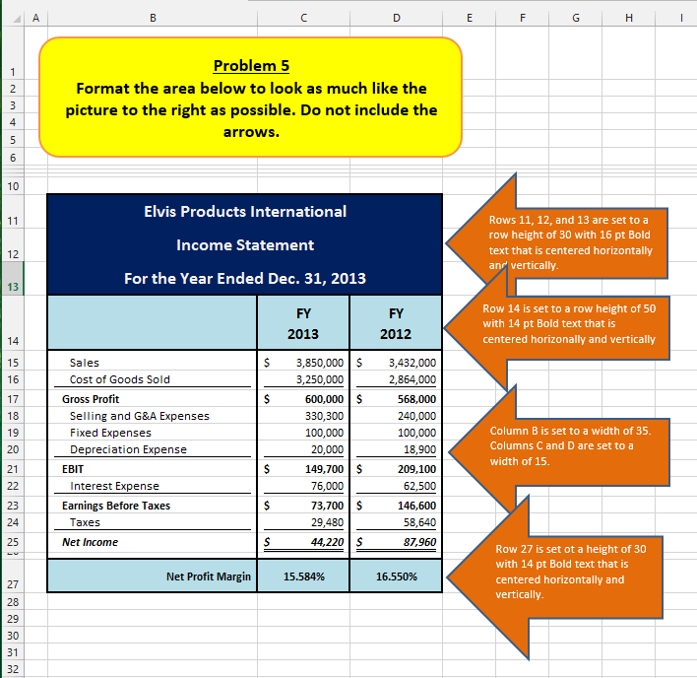

Elvis Products International
Income Statement
For the Year Ended Dec. 31, 2013
 | FY2013 | FY2012
Sales | 3850000 | 3432000
Cost of Goods Sold | 3250000 | 2864000
Gross Profit | 600000 | 568000
Selling and G&A Expenses | 330300 | 240000
Fixed Expenses | 100000 | 100000
Depreciation Expense | 20000 | 18900
EBIT | 149700 | 209100
Interest Expense | 76000 | 62500
Earnings Before Taxes | 73700 | 146600
Taxes | 29480 | 58640
Net Income | 44220 | 87960

Net Profit Margin | 0.15584 | 0.1655

NOTE
If you have trouble viewing any part of the picture, resize it a little and/or change the zoom on the sheet until you the picture is clear.

MC-TF - 20 Pts
Multiple Choice and True/False Questions
A maximum of 20 points are possible in this section.
2 points will be subtracted from the 20 points possible for each incorrect response.
Record your answers in the YELLOW cells.

Type the letter of your answer in the highlighed cell | Multiple Choice -2 Points per incorrect answer

 | 1. The income statement:

 | a. Shows the change in a firm's value over a period of time.
 | b. Is a financial statement that shows the firm's financial position at a particular point in time.
 | c. Is a financial statement that shows the firm's cash flow over a period of time.
 | d. Is a financial statement that summarizes a firm's revenues and expenses at a particular point in time.
 | e. None of the above

 | 2. Which of the following would appear as a SOURCE of cash on the statement of cash flows?

 | a. An increase in Accounts Payable on the balance sheet.
 | b. An increase in Net Fixed Assets on the balance sheet.
 | c. An increase in Accounts Receivable on the balance sheet.
 | d. More than one of the above.
 | e. None of the above.

 | 3. Which of the following cannot be found in the common size statements of a company?

 | a. Gross profit margin
 | b. Debt to equity ratio
 | c. Net profit margin
 | d. Debt to assets ratio
 | e. All of the above can be found in the common size statements

Type the work or words that complete the statement in the highlighted cell | Fill in the Blank -2 Points per incorrect answer

 |  | 4. ________ was the first spreadsheet program ever to be marketed for personal computers.

 |  | 5. The ______ entry on an income statement is the after-tax profit (net income) less
 |  | cash dividends that were paid to shareholders in the period.

 |  | 6. An Excel formula should never have a number in it unless the number is part of a cell reference
 |  | or is _________.

Type the word TRUE or FALSE in the highlighted cell | True/False -2 Points per incorrect answer

 | 7. A financial statement with each item expressed as a percentage of sales is called
 | a common-sized income statement.

 | 8. The income statement is an accurate representation of the increase in
 | the total value of a company during a given period.

 | 9. Depreciation for a period is represented as a use of cash (a cash outflow) on the statement of cash flows.

 | 10. In the Statement of Cash Flows, an increase in cash account would be shown as a source of cash.

 | 11. The values of assets as shown on the balance sheet are accurate
 | representations of the true current values of the firm's assets.

 | 12. The “true” profit for a company in a year would be the increase in
 | its total value during the year.

 | 13. The retained earnings entry on the balance sheet shows the sum of all past net income
 | less the sum of all cash dividends paid out in the past.

 | 14. The GEOMEAN function computes the geometric mean of a series of numbers,
 | but it only works correctly if all of the numbers are positive.

