Prob 1 - 25 Pts
Note that the inputs are in dollars but the statements below are in thousands of dollars.
Inputs for 2013
Tax Rate | 35.0% |  |  |  | 1. | Complete the 2012 and 2013 Income Statements and Balance Sheets using
Common Shares Outstanding | 750,000 |  |  |  |  | the information that is provided. All formulas and computations must
Sales | $3,950,000 |  |  |  |  | appropriately use the 2013 inputs. All computations should reflect any changes
Selling and G&A Expenses | $600,000 |  |  |  |  | in the inputs
Depreciation | $125,000
Interest Expense | $135,000 |  |  |  | 2. | Create the common size income statements and balance sheets for 2012 and 2013
Fixed Expenses | $120,000 |  |  |  |  | in Columns F and G.
Accounts Receivable | $1,530,000
Inventory | $925,000 |  |  |  | 3. | In the Statement of Cash Flows, create a formula in each of the yellow boxes
Accounts Payable | $610,000 |  |  |  |  | that will produce the correct result for any values of the inputs.
Instructions
Dividends Per Share | $0.75
Additional Plant/Equipment | $60,000
Note: 2013 Cost of Goods as a percentage of sales is the
same as it was in 2012.

Income Statements
2012-2013
(Thousands of Dollars)

 | 2013 | 2012 | 2013 | 2012
Sales |  | $4,125.00
Cost of Goods |  | 2,350.00
Gross Profit
Selling and G&A Expenses |  | 746.00
Fixed Expenses |  | 100.00
Depreciation |  | 70.00
EBIT
Interest Expense |  | 110.00
Earnings Before Taxes
Taxes |  | 248.40
Net Income

Earnings Per Share

Balance Sheets
2012-2013
(Thousands of Dollars)
Create a formula in Cell D44 (Cash for 2013) that will adjust in value so as to make the balance sheet balance regardless of how the inputs are set.
 | 2013 | 2012 | 2013 | 2012
Cash |  | $2,850.00
Marketable Secutities | 75.00 | 460.00
Accounts Receivable |  | 1,860.00
Inventory |  | 1,020.00
Prepaid Expenses | 52.00 | 37.00
Total Current Assets
Plant and Equipment |  | 4,925.00
Accumlated Depreciation |  | 920.00
Net Fixed Assets
Long-Term Investments | 425.00 | 350.00
Total Assets

Accounts Payable |  | $650.00
Notes Payable | 36.00 | 25.00
Accrued Expenses | 86.00 | 75.00
Other Current Liabilities | 450.00 | 320.00
Total Current Liabilities
Long-Term Debt | 4,100.00 | 3,625.00
Total Liabilities
Common Stock | 4,119.00 | 4,119.00
Additional Paid-In Capital | 342.00 | 342.00
Retained Earnings |  | 1,426.00
Total Shareholders Equity
Total Liabilities and Owners Equity

Statement of Cash Flows
(Thousands of Dollars)

Create formulas only in the YELLOW cells. The resulting values need to have the proper sign for any input values.
- = USE
+ = SOURCE
 | 2013
Cash Flows from Operations
Net Income
Depreciation Expense
Change in Marketable Securities
Change in Accounts Receivable
Change in Inventories
Change in Prepaid Expenses
Change in Accounts Payable
Change in Other Current Liabilities
Total Cash Flows from Operations

Cash Flows From Investing
Change in Plant and Equipment
Change in Long-Term Investments
Total Cash Flows from Investing

Cash Flows from Financing
Change in Notes Payable
Change in Long-Term Debt
Change in Common Stock
Change in Paid-In Capital
Cash Dividends Paid to Shareholders
Total Cash Flows from Financing

Net Change in the Cash Balance

Prob 2 - 25 Pts
You are given the data for a company for 12 months. The company uses short-term loans and marketable securities investments to bring the cash balance to the desired level at the end of each month. Short-term loans will be paid down or paid off with any excess balances and marketable securities will be used only when the loan balance is zero. Marketable securities will be sold first to supply any needed cash infusions before loans are used. The company had no marketable securities and no short-term loans at the beginning of January.
The company expects to make an outlay for new capital equipment in May, June, July, or August. Create a drop-down list in Cell L24 for the user to select the month of the outlay. Use this and other input information to complete the Cash Budget. Then complete the section that gives the balance of short-term loans at the end of each month in Row 52 and the balance of marketable securities at the end of each month in Row 53. The formulas should show positive balances when marketable securities are being used, and it should show zero when marketable securities are not being used.
Format the range F43:N43 (net cash flow) so that all values less than zero display as red numbers instead of black numbers for any values of the inputs.
Name the input cells for collections Collect0, Collect1, and Collect 2. Then create and save three scenarios using the Scenario Manager that show the company's monthly net cash flow for April - December while changing the collection rates. The GOOD scenario will use Collect0 = 40%, Collect1 = 15%, and Collect2 = 45%, the NORMAL scenario will use the base case collection rates given here, and the BAD scenario will use Collect0 = 20%, Collect1 = 15%, and Collect2 = 65% . Save a summary of the scenarios on a separate tabbed page.

INPUTS

Collections on sales in the month of the sale |  |  |  | 30% |  | Capital Outlay for New Equipment |  |  |  | $50,000
Collections on sales in the month following the sale |  |  |  | 15%
Collections on sales in the second month following the sale |  |  |  | 55% |  | Month of the Capital Outlay

Cash Operating Expenses as a Percentage of Current Month Sales |  |  |  | 30% |  | Desired End-Of-Month cash balance |  |  |  | $20,000

 | Jan | Feb | Mar | Apr | May | Jun | Jul | Aug | Sep | Oct | Nov | Dec
Expected Sales | $13,500 | $15,000 | $16,120 | $14,125 | $13,500 | $14,900 | $15,500 | $13,500 | $11,000 | $9,500 | $11,200 | $12,500

Collections on Sales

Cash Operating Expenses
Fixed Expenses |  |  |  | $2,500 | $2,500 | $2,500 | $2,500 | $2,500 | $2,500 | $2,500 | $2,500 | $2,500
Lease Payments |  |  |  | $650 | $- | $- | $650 | $- | $- | $650 | $- | $-
Capital Outlay |  |  |  | $- |  |  |  |  | $- | $- | $- | $-
Tax Payments |  |  |  | $125 | $- | $- | $125 | $- | $- | $125 | $- | $-
Total Cash Outflows

CASH BUDGET
 |  |  | Mar | Apr | May | Jun | Jul | Aug | Sep | Oct | Nov | Dec
Beginning Cash Balance
Net Cash Flow
Unadjusted Ending Cash Balance
Adjustment Needed
Ending Cash Balance |  |  | 15,000

Short-Term Loans and Marketable Securities
 |  |  | Mar | Apr | May | Jun | Jul | Aug | Sep | Oct | Nov | Dec
Short-Term Loans Outstanding |  |  | -
Marketable Securities |  |  | -

Prob 3 - 10 Pts
Using the outputs of the cash budget on the previous page, create a verticle column chart on this page that shows the balances of outstanding short term loans and marketable securities by month for April - December. These are two separate data series. Short term loan balances should display BELOW the zero line (as negative values) and marketable securities balances should diplay above the zero line (as positive values). FORMAT the chart so that it is self-explanatory and professional in appearance. Set the Y-axis maximum to $40,000 and the minimum to -$30,000 with major unit divisions set to $5,000. FORMAT the chart so that it is self-explanatory and professional in appearance. Include a legend for the two series that displays at the bottom of the chart.

Prob 4 - 8 Pts
The table below lists the year-end price of XYZ Co. stock since 2000. Compute the annual rate of return for the stock in the third column of the table. Also create whatever forumlas are necessary to compute the geometric mean of the annual rates of return. Put your final answer in the yellow cell below the table. Be sure to label any intermediate calculations for partial credit. 10 Points

Year | Stock Price | Annual Rate of Return
2000 | $9.44
2001 | $10.90
2002 | $10.20
2003 | $11.75
2004 | $12.50
2005 | $11.60
2006 | $13.90
2007 | $14.50
2008 | $13.20
2009 | $9.75
2010 | $11.50
2011 | $12.20
2012 | $13.10
2013 | $15.00

Geometric Mean:

Prob 5 - 12
1. Format the data in Rows 6-17 to match as closely as possible the example picture that is provided below the data. Note the additional information that is provided below the picture.
2. In the space to the right, create a line chart like the example picture that shows Net Income on the left vertical axis, profit margin (shown as percentages) on the right verical axis, and the year on the horizonal axis. Format the chart like the example chart picture below.
 |  |  |  | Put your chart in the space below

XYZ Co. Financial Summary
Year | Sales | Net Income | Profit Margin
2004 | 65000 | 2000 | 0.030769230769
2005 | 68000 | 2100 | 0.030882352941
2006 | 69500 | 2000 | 0.028776978417
2007 | 72000 | 2200 | 0.030555555556
2008 | 75800 | 2310 | 0.030474934037
2009 | 82400 | 2400 | 0.029126213592
2010 | 85600 | 2600 | 0.030373831776
2011 | 89000 | 2700 | 0.030337078652
2012 | 95100 | 2850 | 0.029968454259
2013 | 98000 | 3100 | 0.031632653061

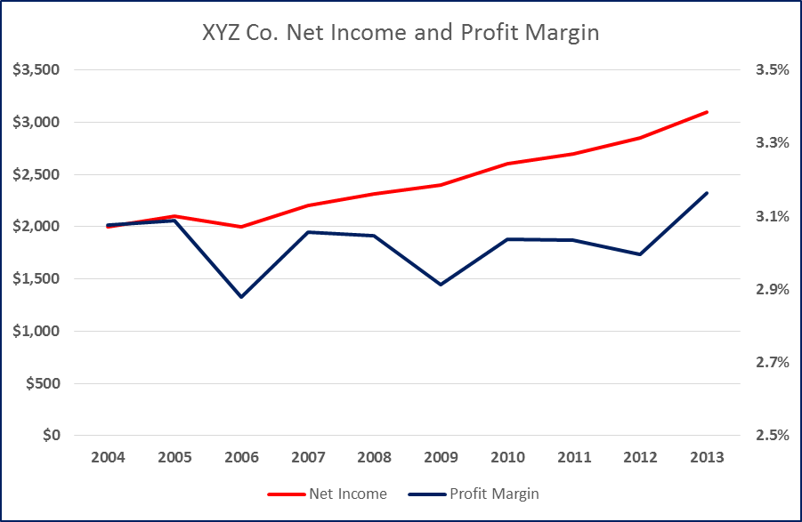
 | Example Picture |  |  |  | Example Chart

Note the limits on the right axis are 2.5% and 3.5% and that the major increments are 0.2%.

Title row is 50 pixels tall
All other rows are 25 pixels tall.
Columns are 20 characters wide.
Font in the 2nd row is 18 pt. Font in title row is 22 pt.
Don't worry about whether the cell borders are thick or thin. That doesn't carry over will when a image is copied. Also don't worry about matching the exact colors.

MC-TF - 20 Pts
Multiple Choice and True/False Questions
A maximum of 20 points are possible in this section.
2 points will be subtracted from the 20 points possible for each incorrect response.
Record your answers in the YELLOW cells.

Type the letter of your answer in the highlighed cell | Multiple Choice -2 Points per incorrect answer

 | 1. The balance sheet:

 | a. Shows the change in a firm's actual value over a period of time.
 | b. Is a financial statement that shows the firm's financial position at a particular point in time.
 | c. Is a financial statement that summarizes a firm's revenues and expenses over a period of time.
 | d. Is a financial statement that summarizes a firm's revenues and expenses at a particular point in time.
 | e. More than one of the above

 | 2. Which of the following would appear as a USE of cash on the statement of cash flows?

 | a. A decrease in Accounts Payable on the balance sheet.
 | b. An increase in Gross Fixed Assets on the balance sheet.
 | c. An increase in Accounts Receivable on the balance sheet.
 | d. More than one of the above.
 | e. None of the above.

 | 3. Which of the following cannot be found in the common size statements of a company?

 | a. Gross profit margin
 | b. Debt to assets ratio
 | c. Net profit margin
 | d. Current Assets to Total Assets ratio
 | e. All of the above can be found in the common size statements

Type the word TRUE or FALSE in the highlighted cell | True/False -2 Points per incorrect answer

 | 4. Visicalc was the first spreadsheet program ever to be marketed for personal computers.

 | 5. The retained earnings entry on an income statement is the after-tax profit (net income) plus
 | cash dividends that were paid to shareholders in the period.

 | 6. Retained earnings on the balance sheet represents past profits that have been reinvested in the company.

 | 7. The income statement is an accurate representation of the increase in
 | the total value of a company during a given period.

 | 8. A financial statement with each item expressed as a percentage of total assets is called
 | a common-sized balance sheet.

 | 9. Depreciation for a period is represented as a use of cash (a cash outflow) on the statement of cash flows.

 | 10. Net Income is the same as cash flow to shareholders.

 | 11. In the Statement of Cash Flows, an increase in any current asset would be represented as a use of cash.

 | 12. The book values of assets as shown on the balance sheet are not meant to be accurate
 | representations of the true current values of the firm's assets.

 | 13. The “true” profit for a company in a year would be the increase in
 | its total value during the year.

 | 14. The retained earnings account on the balance sheet shows the company's cash reserve
 | for future investments.

 | 15. The GEOMEAN function computes the geometric mean of a series of numbers,
 | but it only works correctly if all of the numbers are positive.

